Sheet1
 |  | Document No. | Issue No. | Issue Date |  | Review and Replace Date |  |  | Authorised By
 |  | GFF540MC | 1 | 22.09.2025 |  | New Document |  |  | Magda Shah
 |  | Document Title | 10 Barbers Vintage Cheese & Spiced Chutney Parcels 200g
Document amendments reason for change |  | New Document |  |  | Page 1 of 1 | Previous Issue Date | New Document |  | Uncontrolled copy unless signed original

CVBCPC-R1TEB | BOOTHS - XMAS |  | 10 Barbers Vintage Cheese & Spiced Chutney Parcels 200g
STEP 1 |  |  |  |  | STEP 2
 |  |  |  |  | 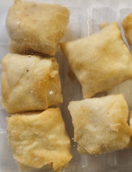

Tray: SK4 Plain Clear (PKESS001-07) |  |  |  |  | 10 Barbers Vintage Cheese & Spiced Chutney Parcels-(GFF548R)-20g
Film: AF Weld Film (300mmX1000lm) -PKKMP001-07
STEP 3
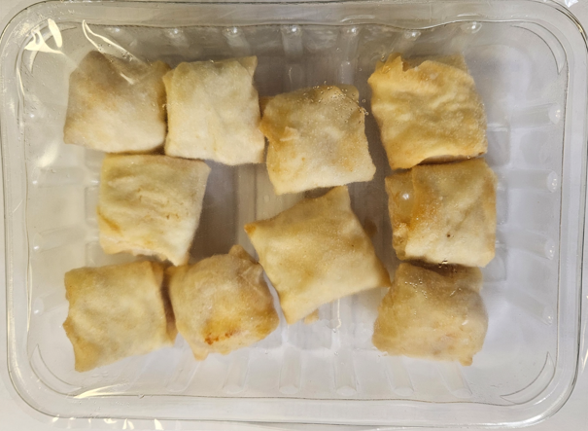

10 Barbers Vintage Cheese & Spiced Chutney Parcels |  |  |  |  |  |  |  | TOTAL WEIGHT: 200g

ALLERGY ALERT: MILK, WHEAT

